Activity 3 Hurricane Irma Wilma
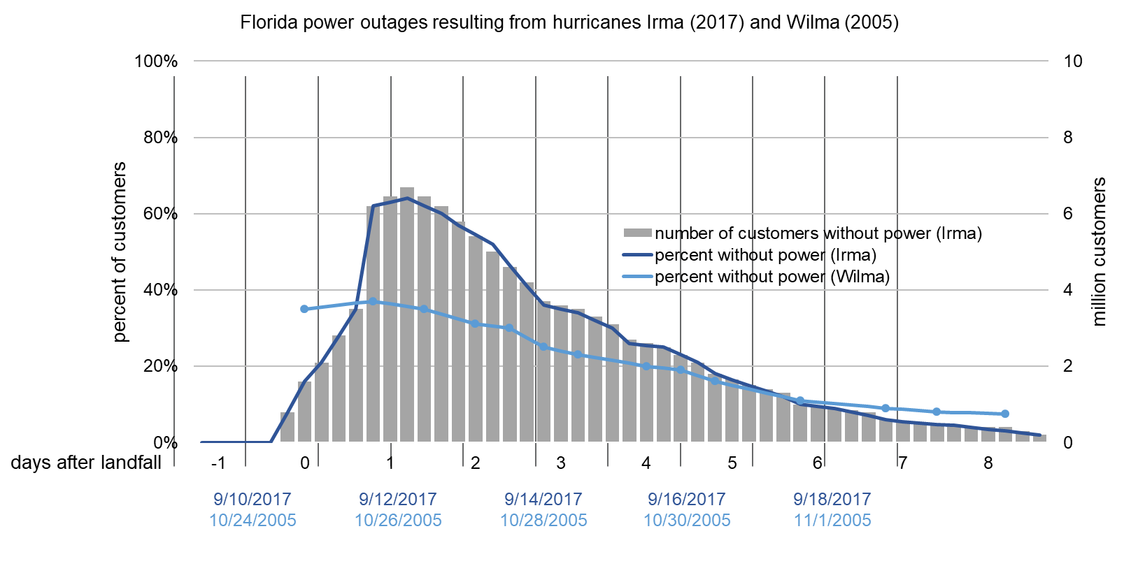
Date (Irma) | Date (Wilma) | Days after landfall | number of customers without power (Irma) | percent without power (Irma) | percent without power (Wilma)
2017-09-09 | 2005-10-23 |  | 0 | 0%
 |  | -1 | 0 | 0%
 |  |  | 0 | 0%
 |  |  | 0 | 0%
 |  |  | 0 | 0%
2017-09-10 | 2005-10-24 |  | 0.8 | 8%
 |  | 0 | 1.6 | 16% | 35%
 |  |  | 2.1 | 21% | 36%
 |  |  | 2.8 | 28% | 36%
 |  |  | 3.5 | 35% | 37%
2017-09-11 | 2005-10-25 |  | 6.2 | 62% | 37%
 |  | 1 | 6.45 | 63% | 36%
 |  |  | 6.7 | 64% | 36%
 |  |  | 6.45 | 62% | 35%
 |  |  | 6.2 | 60% | 31%
2017-09-12 | 2005-10-26 |  | 5.8 | 57% | 31%
 |  | 2 | 5.4 | 54% | 31%
 |  |  | 5 | 52% | 30%
 |  |  | 4.6 | 46% | 30%
 |  |  | 4.2 | 41% | 28%
2017-09-13 | 2005-10-27 |  | 3.7 | 36% | 25%
 |  | 3 | 3.6 | 35% | 24%
 |  |  | 3.5 | 34% | 23%
 |  |  | 3.3 | 32% | 22%
 |  |  | 3.1 | 30% | 22%
2017-09-14 | 2005-10-28 |  | 2.7 | 26% | 21%
 |  | 4 | 2.6 | 26% | 20%
 |  |  | 2.5 | 25% | 20%
 |  |  | 2.3 | 23% | 19%
 |  |  | 2.1 | 21% | 18%
2017-09-15 | 2005-10-29 |  | 1.8 | 18% | 16%
 |  | 5 | 1.65 | 16% | 15%
 |  |  | 1.5 | 15% | 14%
 |  |  | 1.4 | 14% | 13%
 |  |  | 1.3 | 12% | 12%
2017-09-16 | 2005-10-30 |  | 1 | 10% | 11%
 |  | 6 | 0.95 | 10% | 11%
 |  |  | 0.9 | 9% | 10%
 |  |  | 0.85 | 8% | 10%
 |  |  | 0.8 | 7% | 9%
2017-09-17 | 2005-10-31 |  | 0.6 | 6% | 9%
 |  | 7 | 0.55 | 6% | 9%
 |  |  | 0.5 | 5% | 8%
 |  |  | 0.475 | 5% | 8%
 |  |  | 0.45 | 5% | 8%
2017-09-18 | 2005-11-01 |  | 0.4 | 4% | 8%
 |  | 8 | 0.4 | 4% | 8%
 |  |  | 0.4 | 3% | 8%
 |  |  | 0.3 | 3%
 |  |  | 0.2 | 2%
2017-09-19 | 2005-11-02

